DSA Template
KOHL’S | DESIGN SAFETY ASSESSMENT (DSA)
Purpose: To identify and mitigate potential safety risks during the product design phase for items intended for children under 36 months. This assessment does not replace required compliance testing or inspections. The review is based solely on the product details provided. No physical testing or labeling review has been conducted at this stage, The following mandatory documentation and processes must be completed prior to shipment: - Factory Technical Audit - Final Production Testing - Final Random Inspection All testing and inspection information can be found on K-Link: https://link.kohls.com/
1. PRODUCT INFORMATION
Season / Year
Kohl's Style #
Product Name / Description
Category
Product Details (materials, components, moving parts) - Must attach BOM (Bill of Materials if not already present in OnePLM)
Are there other colorways/ versions that require separate evaluations?
Intended Use
Labeled Age Grade
What warnings are included on the product (if any)?
Vendor Name
Factory Name (must be FAMA approved)
Country of Production
Program Quantity
Used where children may access it? (Yes/No)
Product Images - Front /Back/ Sides/ Top/ Bottom as applicable (including product dimensions). May include colored artwork Size & Product Requirements: Hardlines: Only one colorway image is required by style Softlines: Infant - Size 12 & Toddler - Size 2T | 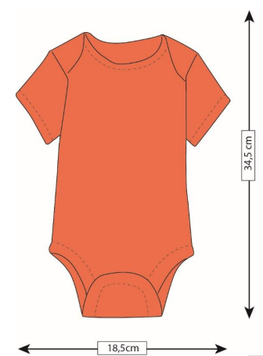 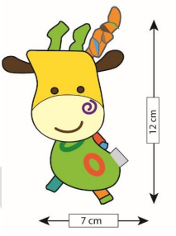 Dimensions Example:

The following sections must be completed in full detail for all applicable items to ensure a comprehensive and documented design safety assessment
2. POTENTIAL USE |  | Specify Details (if needed):
Mouth/chew components
Pull, drop, or throw product
Insert fingers into openings
Climb, sit, or hang on product
Detach decorative or functional parts

3. SAFETY ISSUE REVIEW (provide photos as applicable) - If a safety issue is identified vendor is required to contact Kohl's QA/PI (Quality.Assurance@Kohls.com)
 | Does Product include? | Specify Product Meets All Safety Criteria (if needed):
Small Parts / Choking (<36 Months Critical) (1.25 inches (31.7 mm) in diameter and 1.00 to 2.25 inches (25.4–57.1 mm) long) Provide photo if applicable Example:
Ingestion/Insertion
Entrapment / Pinch Points (between 8 mm and 25 mm) Provide photo if applicable Example:
Sharp Edges / Breakage / Laceration ASTM F963 16 CFR 1500 & 1501
Stability / Tip-Over / Climb Risk Locking Mechanism Warning Required for all items 27" or Taller
Impact-Moving Object / Projection Shall be free from hazardous projections. ASTM F963 Section 4.8
Strangulation / Cord Risk / Suffication Drawstring/Drawcords - Neckline: Not Allowed - Waits: Length must not exceed 2.5" including finished end - See Safety Guidelines for all additional requirements
Chemical / Material Safety Must comply to all regulatory requirements set in testing protocols
Flammability Hard Home: Less than 0.1”/Sec. (16 CFR 1500.44) Apparel: 16 CFR 1610 16 CFR 1615/1616
Electrical / Battery (If Applicable) - All battery items must follow Reese's Law Labeling and Design Requirements - The battery compartment door/cover must be secured with screw(s). Screw must stay secured in the door/cover when removed
Cleanability / Hygiene (Reviewed and no safety issue was identified: Vendor Confirmation:)
Does factory PD study and apply product safety features, evaluates patterns, moulds and samples during product design and development?

These Production and Quality Management steps must be completed by the vendor or factory to clearly define, document, and align production workflows and processes before proceeding with bulk production, in accordance with product testing and inspection policies. This document does not reflect any completed testing or labeling reviews. All required testing and labeling reviews will be conducted and finalized prior to bulk production. All related documentation and reporting records must be maintained and made available to Kohl’s within 24 hours upon request.
QUALITY MANAGEMENT SYSTEM- Ensure all product testing has been completed prior to these steps with a 3P
Vendor is required to complete Pre-production meeting with QA | Report should be uploaded in Kohl's Inspectorio system during inspection
Does your facility have more than six (6) months of expereience with producing this product type?
Vendors Quality Control must be notified of all special production requirements, and the factory must have documented corrective action and root cause analysis processes in place to identify, address, and prevent quality issues | Records must be available upon request
Factory should complete a Small Production Pilot Run & quality review to ensure all expections are met | Record quality review, must be dated/time and on file upon request
Factory must test Snap / button strength - 2x/day (kid critical) | Test records must be dated/time and on file upon request
Must have critical points of attention displayed at the machine & roving QA required documentation | Records must be available upon request
In-line inspection: style/ workmanship/ measurements (measurement if applicable) | Share updates with techs/supervisors - this information should also be available upon request
Regular Needle detection with calibration log (kid critical) | Records must be available upon request
Factory maintain effective traceability system that can determine immediate source from raw material to finished product. | Records must be available upon request
Factory has systems and procedures in place to control the risk (Risk Assessment) of physical or chemical contamination that may damage/affect raw materials, processes, equipment & tools, products and personnel as well. | Records must be available upon request

4. FINAL DESIGN SAFETY DETERMINATION | DETAILS/REQUIRED ACTION
Any safety risks identified (Yes/No) Based on this design safety assessment, vendor concludes that this product does not raise any safety concerns. If vendor CANNOT provide this confirmation, please reach out to Kohl's QA/PI (Quality.Assurance@Kohls.com) Vendor's signature below indicates that, based on this design safety assessment, vendor concludes that this product does not raise any safety concerns.

5. APPROVAL
Completed By / Title
Signature
Date
Need to note where this needs to be saved

NOTE:
- This conclusion relates only to the sample described herein.
- This assessment cannot be reproduced in whole or in part without written approval.
- Limited information was made available regarding the materials and substances used in
manufacturing and therefore it is not possible to give a clear conclusion on chemical hazards
associated with this product.
- Confirmation of conformity with legal requirements will only result from testing and labeling review
carried out on production samples

